Proposal
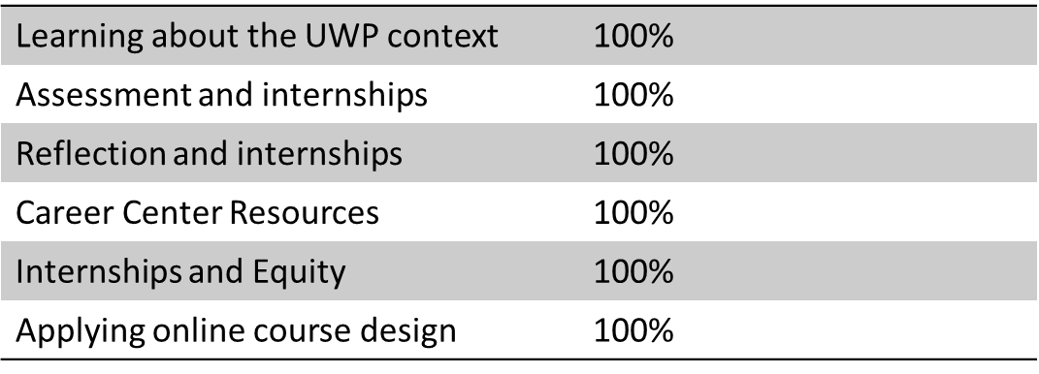
UW Parkside
Budget Team Proposal Summary

 |  |  |  |  |  | Date Approved

Title of Proposal |  | Advancing Equity and Inclusion in Internships and Career-Integrated Learning

Brief Descrition of Proposal
The purpose of this proposal is to request funding to continue supporting the advancement of internships as a high-impact practice on campus and to support work-integrated learning experiences for college credit. In 2020, the budget team funded an Internship Workshop request to support faculty professional development. This proposal is meant to continue that work as well as support additional activities related to integrating career-preparation the curriculum.
The specific areas for this proposal include:
Professional Development
Assessment
Course Staffing
Note, the Professional Development component for this proposal would be implemented in Summer 2023. We would like to begin promoting and recruiting for this opportunity by the start of the new calendar year.

Funding String |  | 102 | 5 | 90-2000
 |  | Fund | Prog | Department | Project

New Funds Requested |  | Current |  | Yr 2 | Yr 3 | Yr 4 | Yr 5

One-Time |  | $- |  | $24,400 | $24,200 | $21,500 | $-
 | FTE | - |  | - | - | - | -

Base |  | $- |  |  |  | $- | $-
 | FTE | - |  | - | - | - | -

 | * See attached for breakdown of request numbers above in Attachment Tab

Annual Progress Report

Rationale
Internships are a high-impact learning practice that is positively associated with improved graduation rates for UWP students (see Table 1). Students who complete an internship/fieldwork are more likely to be retained at the institution and graduate. These positive outcomes can also be seen for students from under-represented minority groups, Pell grant recipients, and first-generation college students in that these students are also more like to be retained at the university and graduate as compared to their peers who do participate in internships. UWP graduates who completed internships were more likely to have a higher annual income, were more likely to find a job related to their academic field after graduation, and have a shorter job search duration (Hora et al., 2021).
Quality internships matter. While having an internship on one’s resume will help students in their job search, internships can provide valuable professional development and learning experiences. For example, one intern interviewed for the CCWT report described how she enjoyed her internship in archeology so much that she changed her major to anthropology. A key aspect of this experience was working closely with an anthropology professor. One recommendation from Hora et al. (2021) is to better support students by seeking ways to help them be better advocates for their needs in their internships, emphasizing the important role that academic instructors have in supporting internship students in their professional development and learning.
Although internships have many positive outcomes, UWP students have reported barriers to doing internships, with having to work at another job as the chief reason cited, followed by having too heavy of a course load (Hora et al., 2021).
The initiatives in this proposal are intended to support the following goals:
* increasing the number of students who complete internships for credit
* improving the quality of student learning through academic internships
* expanding how students may earn credit for internships and work-related learning
* advancing equity and inclusion for students in internships and work-related learning
Report on Progress from Prior Proposal
In 2019, the CBE hosted the first summer Internship workshop in which ten faculty members participated. Following this, in 2019, the Budget Team approved a $34,400 request to support three more summers of Faculty/Academic Staff Summer professional development workshops on internships with a focus on online professional development given the context of the pandemic. Over the course of those three years, a total of 27 faculty members participated in the workshop with a range of 7-10 per year.
Table 1: Internship Workshop Participation
The workshops addressed best practices in academic internship supervision such as learning goals, assessment, reflection, and equity and inclusion, among other topics. Based on post-workshop feedback, the workshop has been positively received by faculty each summer.
Table 2: Percentage of Attendees who Strongly or Somewhat Agreed on the Benefits of Specific Workshop Topics
Based on post-workshop feedback, the workshop has been positively received by faculty each summer. From our most recent workshop, participants had the following specific feedback regarding how the workshop benefited them:
Receiving all the great material on Canvas that I can refer back to and forward to my department.
I think learning about the different ways to reflect and assess the internships was very helpful. We also went over a lot of things to make sure to put our students in a safe, respectable, and acceptable workplace.
The NSEE fellows discussion panel and the overarching theme of EDI throughout. These are the issues that I've been marinating on recently and it was really helpful to have folks articulate the issues productively and provide insight for best practices.
A lot of great examples that will make facilitating my first internship much easier!
This proposal is seeking funds to not just continue our current professional development efforts but also to support additional development related to integrating work experiences and career readiness into the curriculum.
Description of the Current proposal
A) Professional Development
1) Academic Internship Workshop: Summer 2024
This is the current model of the faculty internship professional development workshop that we have conducted for the past three summers. This will be run every other year given that there is a limited number of faculty who work with internship students. The next planned workshop to be held in Summer 2024.
2) Mini-Workshops on Special topics: Summer 2023 and Summer 2025
These mini-workshops are meant to provide updated professional development on specialized topics related to internships and other career-integrated curricular topics. These workshops will be geared toward faculty of all levels of experience in working with internship students. For the upcoming summer, we plan to address equity, diversity, and inclusion in experiential education, and career-integrated pedagogy/curriculum.
With both of the professional development initiatives, there will be a support and accountability process included for which participants will be asked to implement a change in their curriculum and to provide a report at the end of the academic year and the outcomes of their change.
3) Fellows Program
This program, modeled after the Community-Based Learning Fellows program, is to provide 'seed' money to jump-start programs into developing internship courses OR to re-design a course to include assignments that align with career readiness competencies. Funding is requested for 3 faculty members during the first year, and 2 faculty members for the following years. The fellows will go through the summer workshops and meet throughout the year to support them in their course design or re-design. They must produce a course that their department and college agree to be allowed to count as 'in load.'
B) Assessment
1) Student Internship Learning Assessment: Spring 2023 through Spring 2026
This pilot project is intended to support faculty in integrating the Internship Learning Outcomes into their Canvas courses to use in assessing student internship learning. This data from this direct assessment of student internship learning will be used to gather institution-wide data on student internship learning. The Provost’s Office has agreed to provide funding to support this initiative in year one (the current fiscal year). In year one, we anticipate that six faculty members will participate in the project. In fiscal year two, we anticipate that we will be able to recruit twelve more, and in each of the following two fiscal years, we anticipate being able to add six more faculty members each year.
2) National Survey of College Internships: Spring 2023, Spring 2024, Spring 2025, Spring 2026
UWP has participated in this project since its inception and has been using this data to analyze UWP students’ internship experiences and subsequently, make changes to help increase the number of students doing internships as well as to provide support for students in obtaining internships. The Provost’s Office has agreed to provide funding to support this initiative in year one (the current fiscal year).
C) Course Staffing
1) UWP 294: Work-Based Learning staffing: Fall and Spring 2023-2024, Fall and Spring 2024-2025, Fall and Spring 2025-2026
UWP 294: Work-Based Learning is a course that was developed in response to our student data on a barrier that students had in doing internships and in recognition of the learning that students reported gaining from their current work experiences. The Provost’s Office has agreed to provide funding to continue to support this course.
2) UWP 494 staffing: Fall and Spring 2023-2024, Fall and Spring 2024-2025, Fall and Spring 2025-2026
UWP 494: Cross-Disciplinary Internship is a course that was developed for students who wish to earn credit for an internship but cannot do so through a specific academic department. The Provost’s Office has agreed to provide funding to continue to support this course.
3) CBL 494: Civic Internship course staffing: Fall 2023, Fall 2024, Fall 2025
This is a newly developed course is at the intersection of our internship and community-based learning initiatives. The Provost’s Office has agreed to provide funding to support this course during this pilot period.
All of the above courses are considered pilot courses, and after the pilot period, the Center for Community and Business Engagement plans to explore adding support for those courses to its base budget.

Example
UW Parkside
Budget Team Proposal Summary

 |  |  |  |  | Date Approved

Title of Proposal | New Proposal

Brief Descrition of Request
Student success initiative . . . .

Funding String | 102 | 4 | 801000 | AAH8867
 | Fund | Prog | Department | Project

Funds Requested | Current |  | Yr 2 | Yr 3 | Yr 4 | Yr 5

One-Time |  |  |  | - | - | -

Base | - |  |  | - | - | -

Annual Progress Report
Making good progress . . .

